Zend Bug Report
ZEND BUG REPORT
BUG ID |  |  |  | BUG OVERVIEW |  | ENVIRONMENT | BUG DETAILS |  |  | BUG TRACKING |  |  |  | FIX |  | NOTES
BUG ID | TITLE | REPORTED BY | DATE REPORTED | SUMMARY | SCREENSHOT | OPERATING SYSTEM | STEPS TO REPRODUCE | EXPECTED RESULT | ACTUAL RESULT | DEFECT SEVERITY | DEFECT PRIORITY | ASSIGNED TO | STATUS | RESOLUTION | DATE OF FIX | NOTES | SEVERITY | DEFECT PRIORITY | STATUS
B_Signup_01 | Accept registration without entering Text | Abdelrahman Zedan | 2023-12-12 | If textboxes of password field, first name, last name, or phone number does not contain any of the text, the application accepts registration and a message appears: registration has been completed successfully. |  | Android 12 | 1- press account button 2-press signup button 3- filling all data except Last name field. | Missing data required , please fill all textboxes | لقد تم التسجيل بنجاح | Showstopper | Critical | Abdelrahman Yasser | Closed |  |  |  | Showstopper | Critical | Open
B_Signup_02 | Password is less than 8 Digits | Abdelrahman Zedan | 2023-12-12 | if user enter password less than 8 digits the application accepts registration and a message appears: registration has been completed successfully. |  | Android 12 | 1- press account button 2-press signup button 3- filling password textbox with length less than 8 digits. | error : password length must be more than 8 digits | لقد تم التسجيل بنجاح | Major | High | Abdelrahman Yasser | Closed |  |  |  | Major | High | Resolved
B_Signup_03 | Loading without Action or navigation | Abdelrahman Zedan | 2023-12-13 | after user register and verify E-mail , if doesn't enter any data after that then press confirm , the Application just loading without Any Action. | 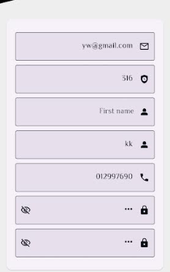 | Android 12 | 1- press account button 2-press signup button 3- filling all data and verify Email then navigate to continue missing Textboxes. | if user doen't enter some data such as: bithdate or height or weight or location ,There is no harm in going to the home page and entering it later | Just Loading without action. | Major | Critical | Abdelrahman Yasser | Re op |  |  | Bad Request message Appears | Minor | Medium | Closed
B_Signup_04 | The App accept special characters and spaces and numbers in firstname & lastname box | Abdelrahman Zedan | 2024-01-11 |  |  | Android 12 | 1- press account button 2-press signup button 3- filling fname and Lname with special character or numbers or spaces | من فضلك ادخل الاسماء بشكل صحيح : حروف فقط | تم تسجيل الحساب بنجاح | Showstopper | Critical | Abdelrahman Yasser | Closed |  |  | under review | Low | Low | Re op
B_Login_01 | Invalid password | Abdelrahman Zedan | 13/12/2023 | if user enter invalid password for exist Email the application is just loading | 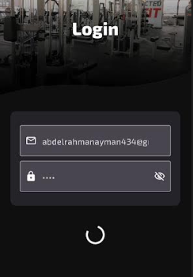 | Android 12 | 1- press account button 2-press Login button 3- filling password textbox with invalid password for exist Email. | Invalid Email Or Password | Just Loading without action. | Showstopper | Critical | Abdelrahman Yasser | Closed
B_HOME_01 | NO images loaded in tradeMark Section | Abdelrahman Zedan | 2023-12-31 | - | 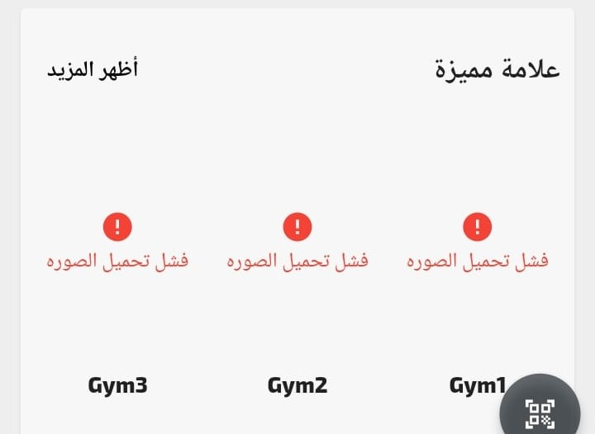 | Android 12 | IN HOME PAGE | Images Loaded | فشل نحميل الصوره | Low | Medium | Abdelrahman Yasser | Closed
B_EditData_01 | the Age is 0 ! | Abdelrahman Zedan | 2023-12-31 | If user's age less than 1 Year System appear it as 0 | 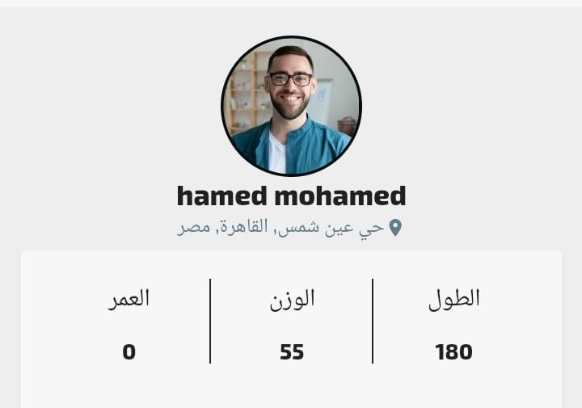 | Android 12 | Press on Profile button after login | Age appears by days OR cancel appear age | Age is 0 | Major | Medium | Abdelrahman Yasser | Closed |  |  | It is preferable not to show age
B_Visits_01 | The Time is wrong | Abdelrahman Zedan | 2023-12-31 | - |  | Android 12 | 1- login 2-Press on visits button | Correct Time 3:57 am | Wrong TIme 1:57 am | Major | Critical | Abdelrahman Yasser | Closed | The time from server is setting up for UTC, In the production it will set up for saudi locality so it's automatically resolved while production, Also I provide a solution make time change depend on your location automatically (for future plans isA) |  | The Correct time is two hours more
B_EditData_02 | The profile Image is Wrong | Abdelrahman Zedan | 2023-12-31 | If User choose specific picture during register process in edit profile appears another |  | Android 12 | Press on Profile button after login | Correct Image | Another Image OR white Image OR failed to load image | Showstopper | Critical | Abdelrahman Yasser | Closed |  |  | closed for now but depends on another bug , which is Complete sign up
B_Complete_SignUp | Complete Data | George Elamir | 2024-01-01 | If the app colsed without completeing data the app assumed the user completed data automatically |  | Android 12 | Login with not completed data account then colse the app | Open complete signup screen again | login successfully | Showstopper | Critical | Abdelrahman Yasser | Closed
B_EditData_03 | gray screen appears when change location | Abdelrahman Zedan | 2024-01-10 |  |  | Android 12 | Press on Profile button after login then edit data then change location | Loaction changed sucssesfully | gray screen without any action | Showstopper | Critical | Abdelrahman Yasser | Closed |  |  | closed for now but depends on another bug , which is Complete sign up
B_EditData_04 | able to change age less than 12 | Abdelrahman Zedan | 2024-01-10 | If user edit his AGE to number less than 12 after register the system will be accept it ! |  | Android 12 | Press on Profile button after login then edit data then change Age | Can't change age ro number less than 12 years | تم التحديث بنجاح | Showstopper | Critical | Abdelrahman Yasser | Closed
B_RatingApp_01 | App doesn't accept comments ! | Abdelrahman Zedan | 2024-01-11 | if user try to write comment after rating , the app prevent it |  | Android 12 | sign in then go to gyms then choose one of then then press rate | Accpet comment | لا يمكن ارسال تعليق فارغ | Showstopper | Critical | Abdelrahman Yasser | Closed
WEB BUGS WEB BUGS WEB BUGS WEB BUGS

B_OwnerDashBoardEditGYMS_01 | Delay in editing and strange Text format appearance | Abdelrahman Zedan | 2024-03-04 | when data of gyms in owner dashboard is edited , the Website loading In a very strange and wobbly way + description texts appear in a strange format | https://drive.google.com/file/d/1B9-fjk65Z3rlQ4UZISBSnwSa63e-QEvt/view?usp=sharing | Chrome | login in owners dashboard via : https://zndgym.com/owners/dashboard/gyms/1 | normal format of description is appeared | HTML CODE format is appeared | Minor | Medium | George Elamir | Open

B_OwnerDashBoardEditGYMS_02 | I can't Delete Gyms | Abdelrahman Zedan | 2024-03-04 | Owners should be able to delete any gym |  | Chrome | login in owners dashboard via : https://zndgym.com/owners/dashboard/gyms | there is Delete button in edit gym page | there is not any button to delete gym | Major | High | George Elamir | Re op

B_OwnerDashBoardADDGYMS_01 | Rank not allowed! | Abdelrahman Zedan | 2024-03-04 | if owner adds gym and choose rank with number 4 for example , app accept it Although we only have 3 ranks (1,2,3). | https://drive.google.com/file/d/10cq1cV9bvQzRn1jlYhXaah4sQ0UO-fKw/view?usp=sharing | Chrome | login in owners dashboard via : https://zndgym.com/owners/dashboard/gyms/40 | Error : There are no ranks other than 1, 2, and 3 | website accept rank 4 | Showstopper | Critical | George Elamir | Open

B_ConfirmationSubscribePage_01 | message warning doesn't appear | Abdelrahman Zedan | 2024-03-09 | when I want to purchase some package , without sign in, the system doesn't appear Any messages | https://drive.google.com/file/d/1nPUsVnqQ8eg1F2zfptQOb6EF3pJwLQ7b/view?usp=sharing | Chrome | go to : https://zndgym.com/packages/subscribe/8 then click confirmation subscribe | "يجب عليك تسجيل الدخول اولا " | NO Actions appears | Low | Medium | George Elamir | Closed

B_Signup_01 | Password is less than 8 Digits | Abdelrahman Zedan | 2024-03-09 | if user enter password less than 8 digits the application accepts registration and a message appears: registration has been completed successfully. |  | Chrome | 1- press account button 2-press signup button 3- filling password textbox with length less than 8 digits. | error : password length must be more than 8 digits | لقد تم التسجيل بنجاح | Showstopper | High | George Elamir | Open

B_EditData_01 | Image doesn't appear | Abdelrahman Zedan | 2024-03-09 | when I click "حسابي" button , i can't see the profile image | https://drive.google.com/file/d/1947HAg5BrIo7-5Vr2n57zUZCNXMUl2hb/view?usp=sharing | Chrome | after sign in go to : https://zndgym.com/account | Image appears | Image doen't Appear | Showstopper | Medium | George Elamir | Resolved |  |  | cannot be testing because it depends on signin

B_EditData_02 | It does not go to the home page after log out | Abdelrahman Zedan | 2024-03-09 | when I click "حسابي" button , then log out the secret information stay appears | https://drive.google.com/file/d/1ZokhjCtLtnaqQyPp-XX5JDcQEnIFouUt/view?usp=sharing | Chrome | after sign in go to : https://zndgym.com/account then log out | go to Home page | stay | Showstopper | High | George Elamir | Resolved |  |  | cannot be testing because it depends on signin

B_Signup_02 | system accept Character with SSN !! | Abdelrahman Zedan | 2024-03-09 | when I enter characters in SSN field it is accepted ! |  | Chrome | https://zndgym.com/register | SSN must be numbers Only | system accept registeriation | Showstopper | High | George Elamir | Open

B_Signup_03 | system doesnt able to signup!!!!!!!! | Abdelrahman Zedan | 2024-04-08 | when I try to signup with correct data the system appers bad request message | https://drive.google.com/file/d/15INpA2LZQg7yTch7shekgsPkz3xfzVmE/view?usp=sharing | Chrome | https://zndgym.com/register | signup successfully | the system appears bad request message | Showstopper | High | George Elamir | Open

